Technical requirements
Technical requirements

A. Lifting equipment with forks & clamps
Nr. Crt. | Product name | Picture (example) | Capacity - load carrying capacity | Usage | Lift Height: height to which the forklift can lift the load | Rotating ax when clamps installed | Fuel Type | Fire suppression equipment | Extra acc. | Tyre type | Tyre color | Free lifting height | Maximum mast height | Fork length | Sideshift | Safety requests
1 | Lifting equipment with forks | 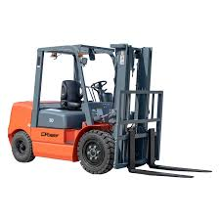 | 1.5 - 2 T | interior / exterior (roof & doors needed) | 4.5-5 m | not the case | electric | included | Li-Ion | mixt (interior / exterior) | Mixt/Grey accroding RFP | 2m | 2.3m | 1.2m | yes | 1. Blue Spot LED Lamp front and rear 2. Low Height LED Flashing Beacon 3. Panoramic Rear View Mirror 4. Full LED Light Package 5. High visibility seat belt 6. Acoustic signal during reversing 7. FOPS 8. Pedestrian detection AI camera system front and rear
2 | Lifting equipment with clamps |  | 1.5 - 2 T | interior / exterior (roof & doors needed) | 4.5-5 m | yes | electric | included | to ensure full usage - battery swapping system to quickly exchange discharged batteries with fully charged ones | mixt (interior / exterior) | Mixt/Grey accroding RFP | 2m | 2.3m | NA | yes | 1. Blue Spot LED Lamp front and rear 2. Low Height LED Flashing Beacon 3. Panoramic Rear View Mirror 4. Full LED Light Package 5. High visibility seat belt 6. Acoustic signal during reversing 7. FOPS 8. Pedestrian detection AI camera system front and rear
3 | Lifting equipment with clamps & device for rotating the RVM box | 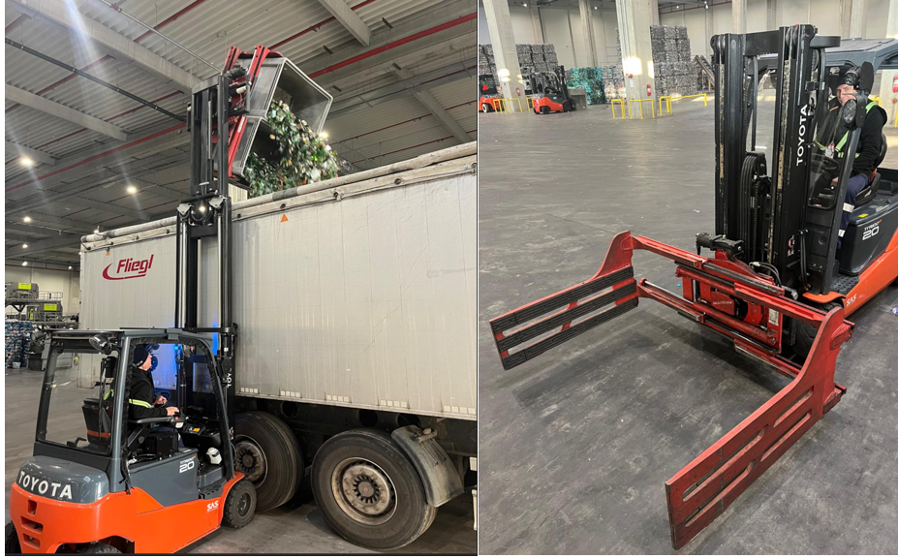 | 1.5 - 2 T | interior / exterior (roof & doors needed) | 4.5-5 m | yes | electric | included | to ensure full usage - battery swapping system to quickly exchange discharged batteries with fully charged ones | mixt (interior / exterior) | Mixt/Grey accroding RFP | 2m | 2.3m | NA | yes | 1. Blue Spot LED Lamp front and rear 2. Low Height LED Flashing Beacon 3. Panoramic Rear View Mirror 4. Full LED Light Package 5. High visibility seat belt 6. Acoustic signal during reversing 7. FOP 8. Pedestrian detection AI camera system front and rear

B. Manual pallet truck
 | Product name | Picture (example) | Usage | Type of pallet
4 | Manual pallet truck |  | interior / exterior | euro pallet size

C. Spare battery
 | Product name | Picture (example) | Capacitate (Ah) | Tensiune
4 | Spare battery |  | 750Ah | 48V

